read the display
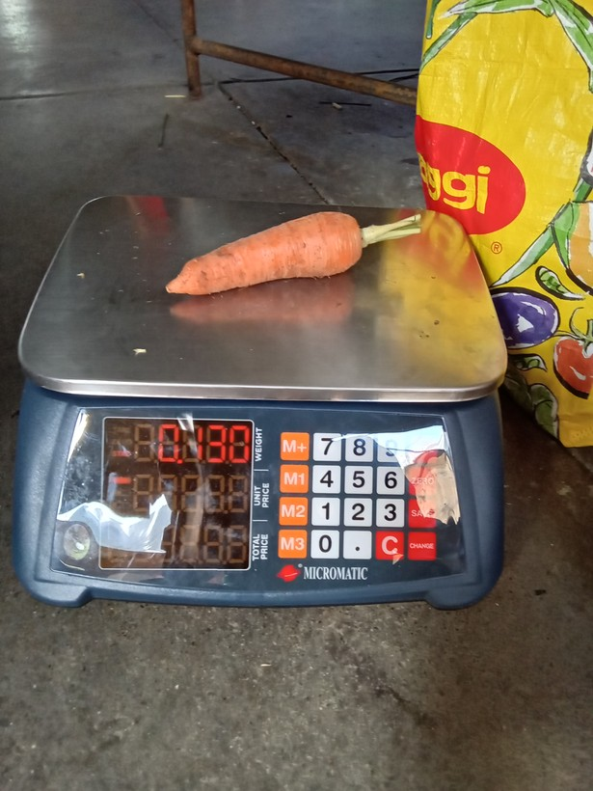
row | image_code | photograph | pull_item | raw_weight | raw_tick | published_now | proposed_value | times_off | photo_unit | photo_src | pub_rule | approve | correct_value | notes
1 | 1773880609490 |  | carrot | 0.13 | grams (g) | 130 | 180 | 1.38 | g | sonnet sweep | log10 median | no | 130 g
2 | 1777520211674 | 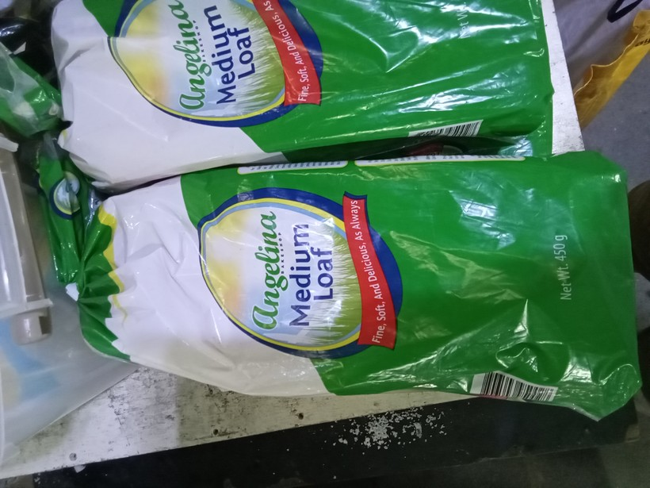 | loaf bread | 450 | grams (g) | 450 | 375 | 1.2 | mL | package label (mL) | log10 median | no | 450 g
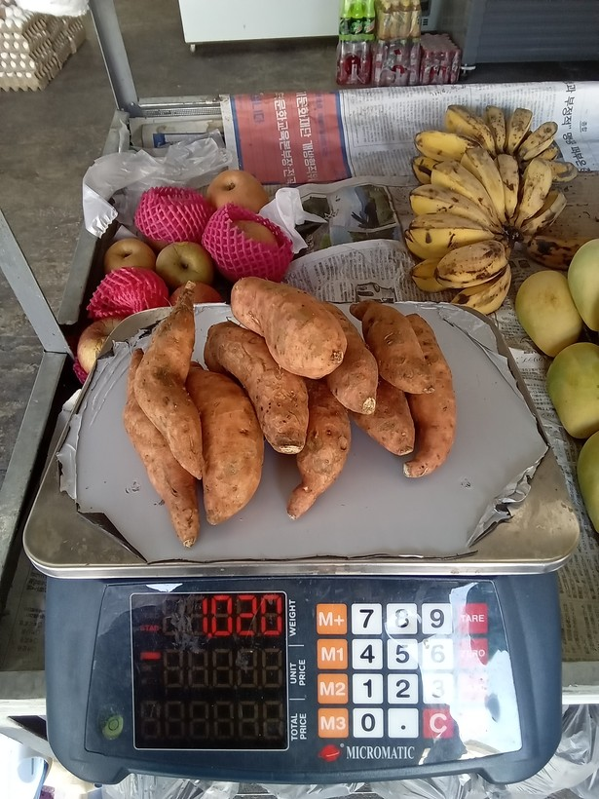
3 | 1776300455732 |  | camote | 1020 | Kilograms (Kgs) | 1020 | 1820 | 1.78 | g | sonnet sweep | log10 median | no | 1020 g
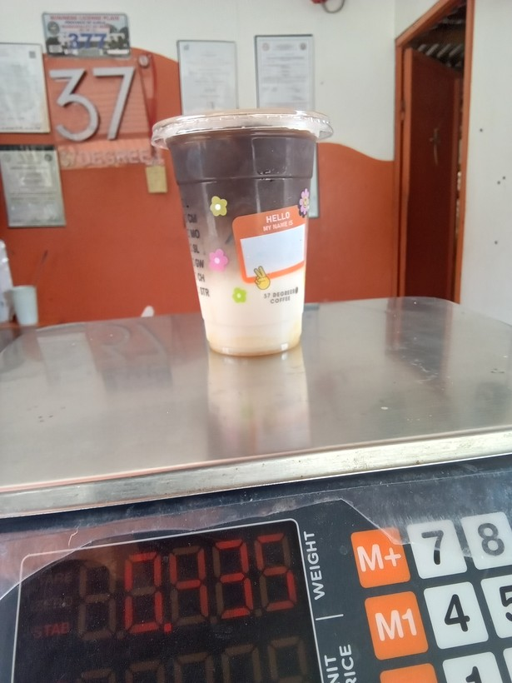
4 | 1778725481233 |  | drinks at restaurant, hotel, cafe, or kiosk | 435 | grams (g) | 435 | 485 | 1.11 | g | sonnet sweep | log10 median | no | 435 g
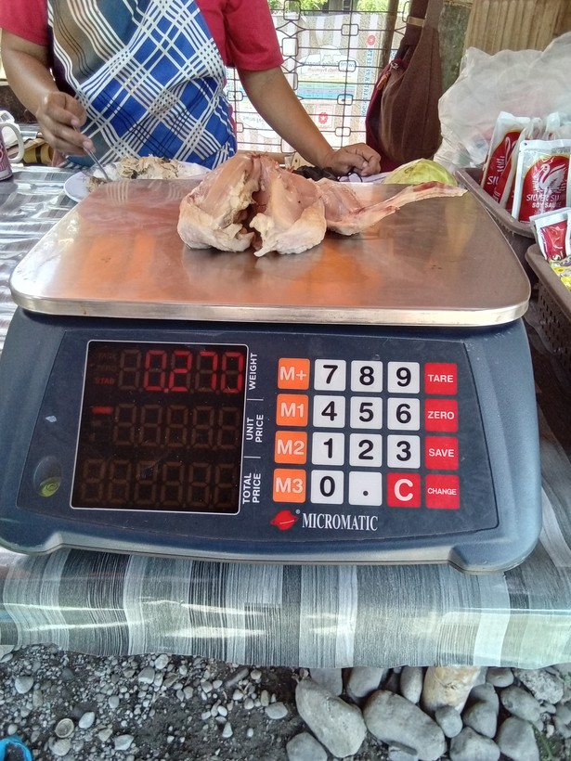
5 | 1778210891441 |  | chicken | 0.27000001 | grams (g) | 270 | 200 | 1.35 | g | sonnet sweep | log10 median | no | 270 g
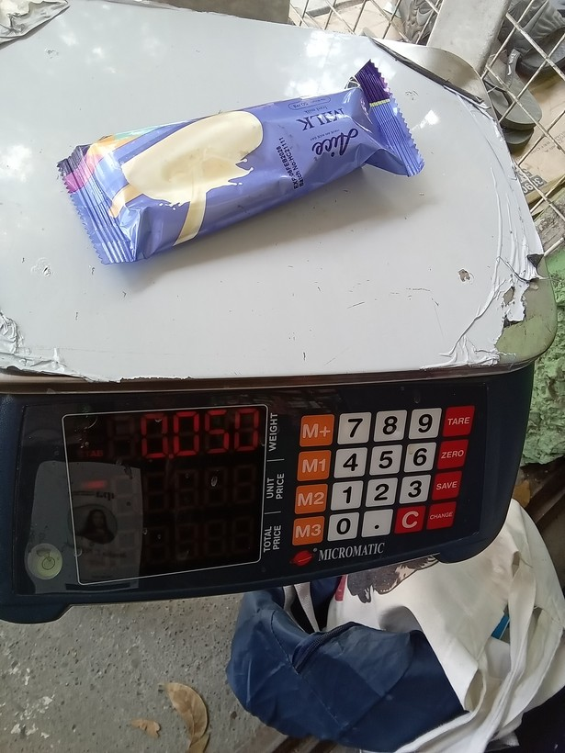
6 | 1773802646728 |  | ice cream, sorbet, edible ice (eg., ice-lolli, halo-halo) | 50 | grams (g) | 50 | 58 | 1.16 | g | sonnet C1 sweep | log10 median | no | 50 g
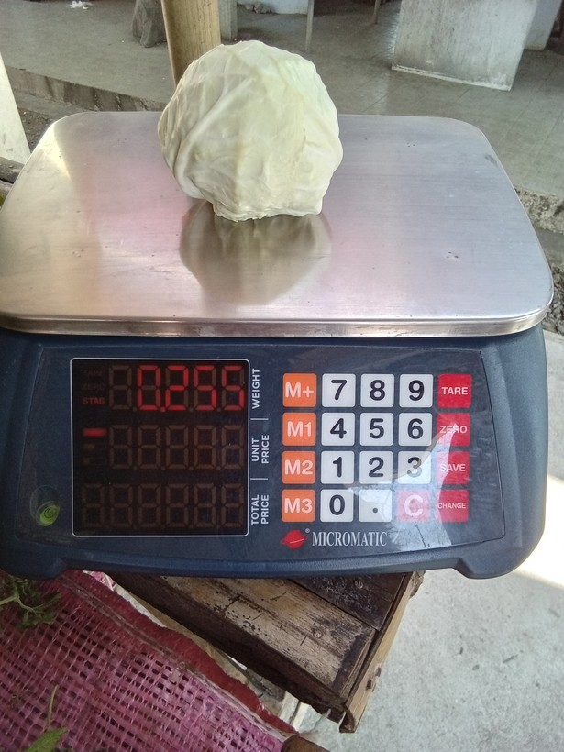
7 | 1776664038742 |  | cabbage | 0.255 | grams (g) | 255 | 295 | 1.16 | g | sonnet sweep | log10 median | no | 255 g
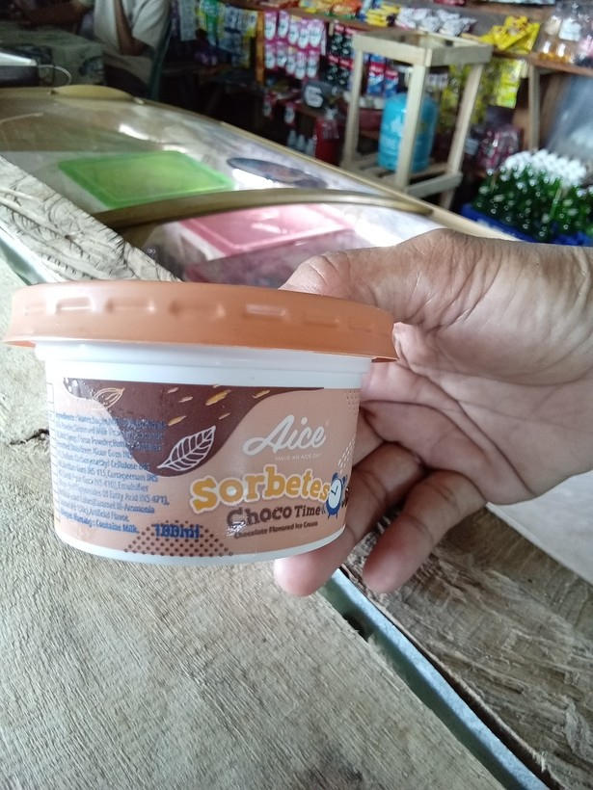
8 | 1775786695913 |  | ice cream, sorbet, edible ice (eg., ice-lolli, halo-halo) | 100 | grams (g) | 100 | 188 | 1.88 | mL | package label (mL) | log10 median | no | 100 mL
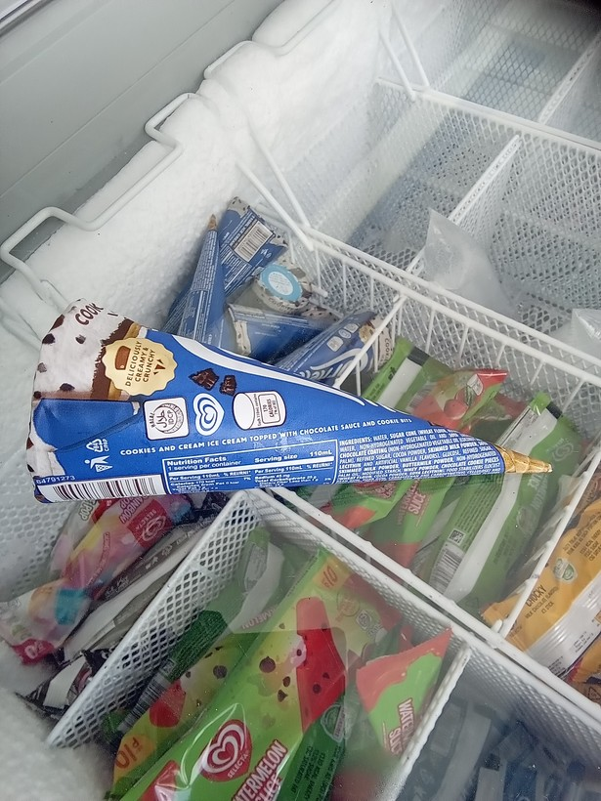
9 | 1775782246519 |  | ice cream, sorbet, edible ice (eg., ice-lolli, halo-halo) | 0.11 | Litres (L) | 110 | 150 | 1.36 | mL | package label (mL) | log10 median | no | 110 mL
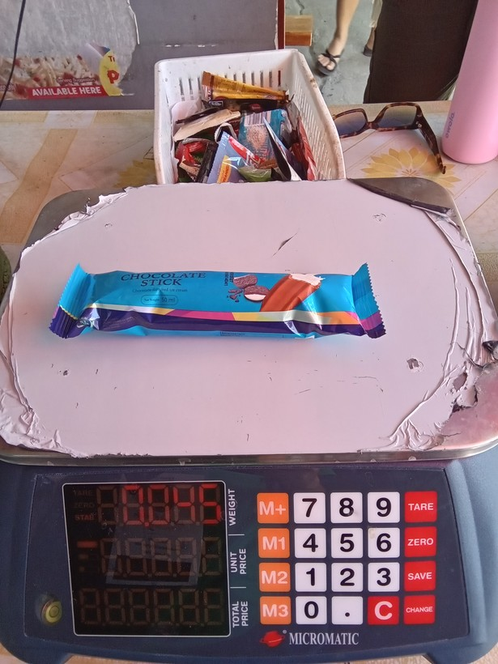
10 | 1773976395733 |  | ice cream, sorbet, edible ice (eg., ice-lolli, halo-halo) | 45 | grams (g) | 45 | 46 | 1.02 | g | sonnet C1 sweep | log10 median | yes | 45 g
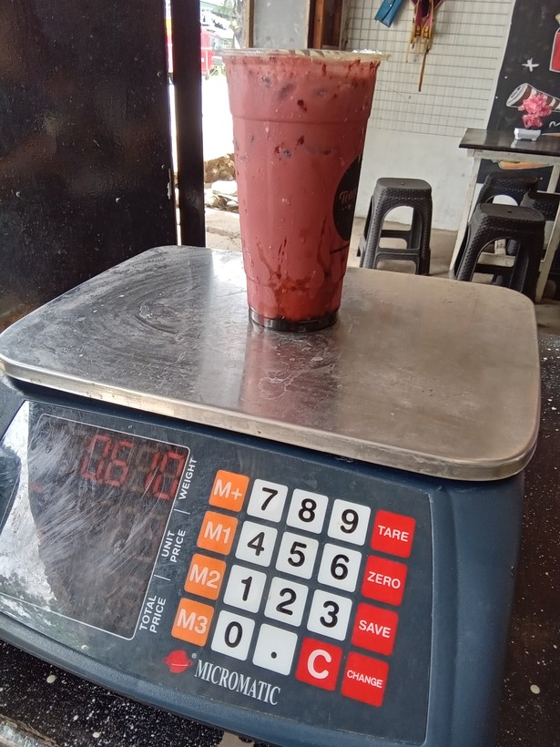
11 | 1777266085340 |  | drinks at restaurant, hotel, cafe, or kiosk | 610 | grams (g) | 610 | 670 | 1.1 | g | sonnet hi-res | log10 median | no | 610 g
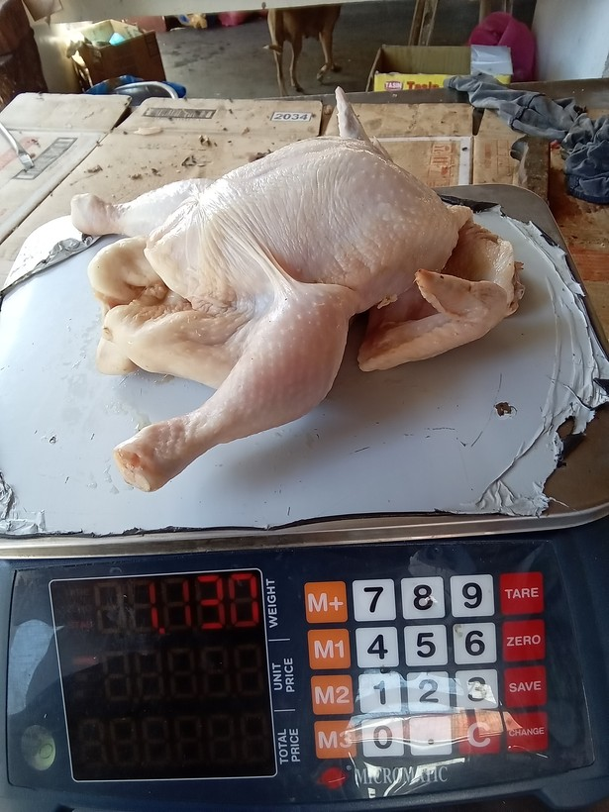
12 | 1777426324259 |  | chicken | 1130 | Kilograms (Kgs) | 1130 | 1030 | 1.1 | g | sonnet sweep | log10 median | no | 1130 g
13 | 1774421610417 | 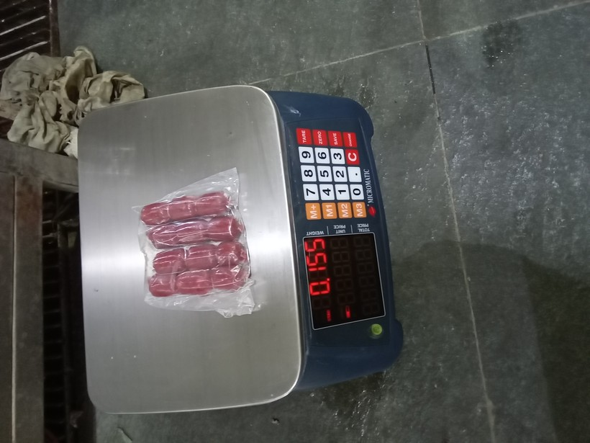 | preserved or processed meat (tocino, tapa, longaniza, etc) | 0.16 | grams (g) | 160 | 155 | 1.03 | g | sonnet sweep | log10 median
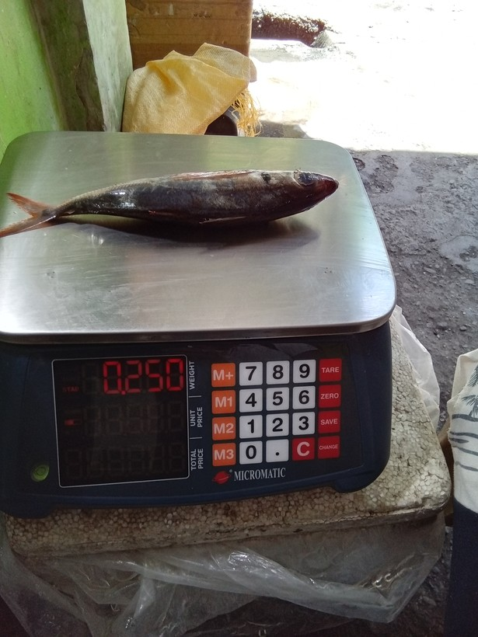
14 | 1776220345488 |  | fresh fish | 0.245 | grams (g) | 245 | 250 | 1.02 | g | sonnet sweep | log10 median | yes
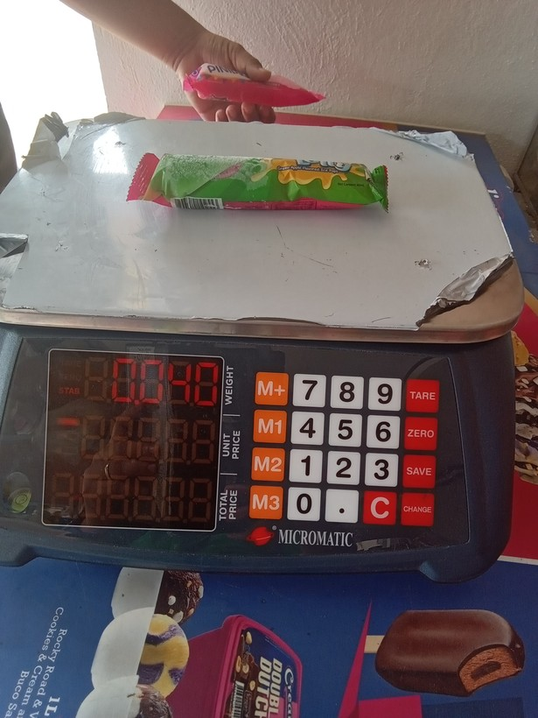
15 | 1773969923664 |  | ice cream, sorbet, edible ice (eg., ice-lolli, halo-halo) | 0.039999999 | grams (g) | 40 | 48 | 1.2 | g | sonnet sweep | log10 median | no | 40 g
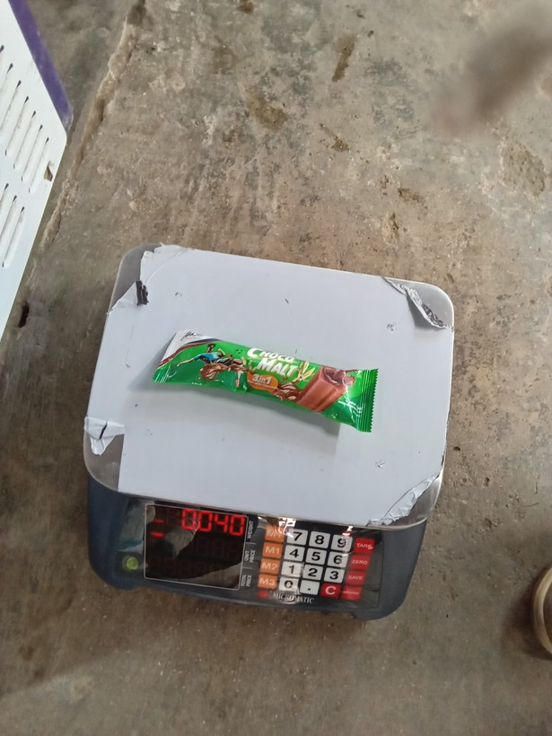
16 | 1773797223664 |  | ice cream, sorbet, edible ice (eg., ice-lolli, halo-halo) | 0.045000002 | Litres (L) | 45 | 40 | 1.13 | g | sonnet C1 sweep | log10 median | yes
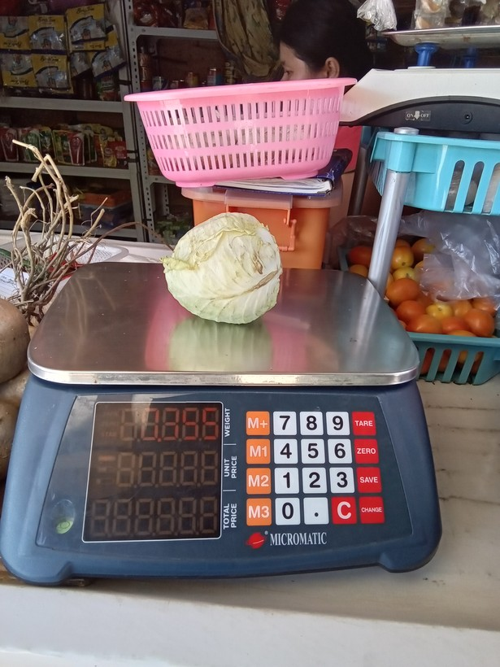
17 | 1777948595873 |  | cabbage | 0.35499999 | grams (g) | 355 | 395 | 1.11 | g | sonnet sweep | log10 median | no | 355 g
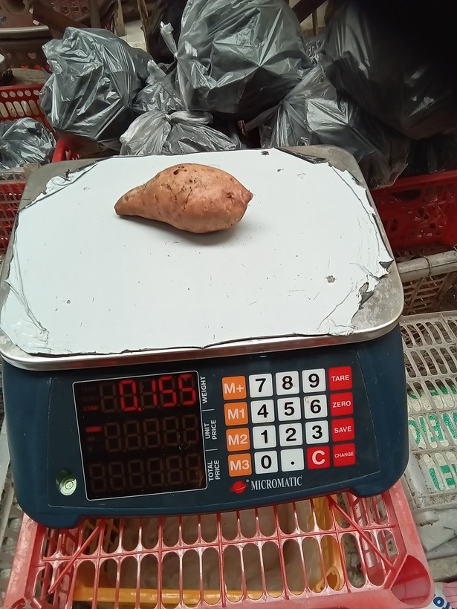
18 | 1776649758366 |  | camote | 0.155 | grams (g) | 155 | 165 | 1.06 | g | sonnet sweep | log10 median | no | 155 g
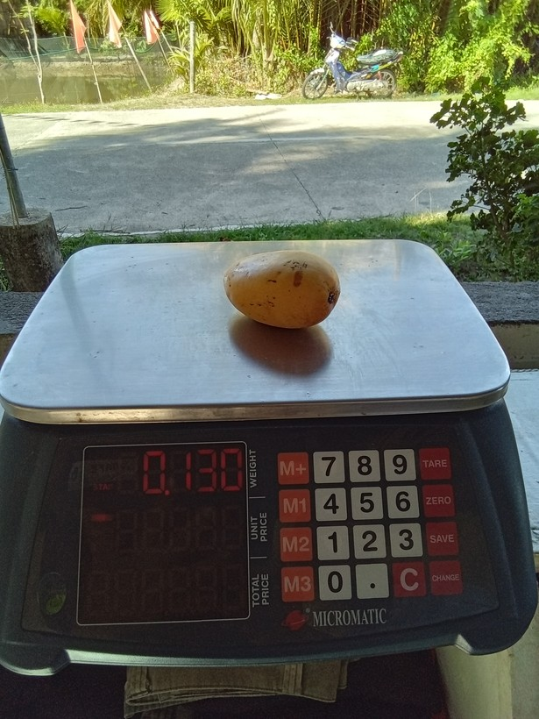
19 | 1778051558507 |  | mango | 0.125 | grams (g) | 125 | 130 | 1.04 | g | sonnet sweep | log10 median | yes
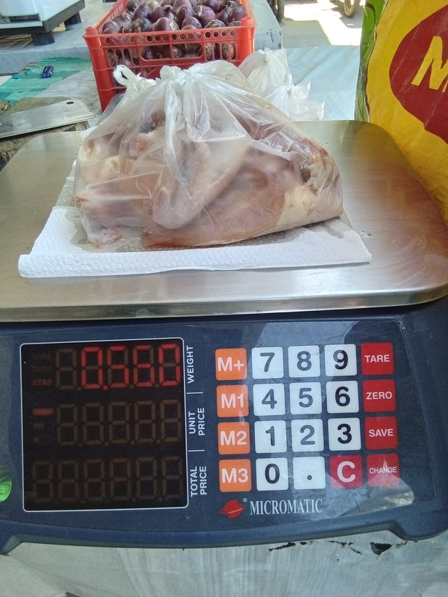
20 | 1777084903130 |  | chicken | 0.56 | grams (g) | 560 | 580 | 1.04 | g | sonnet sweep | log10 median | no | 560 g
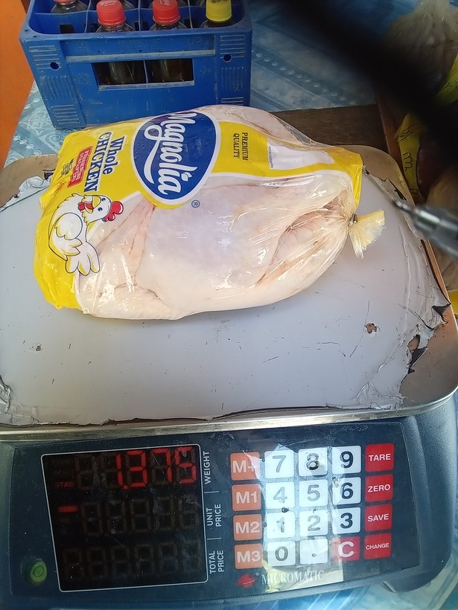
21 | 1777082752314 |  | chicken | 1375 | Kilograms (Kgs) | 1375 | 1875 | 1.36 | g | sonnet sweep | log10 median | no | 1375 g
22 | 1776217696528 | 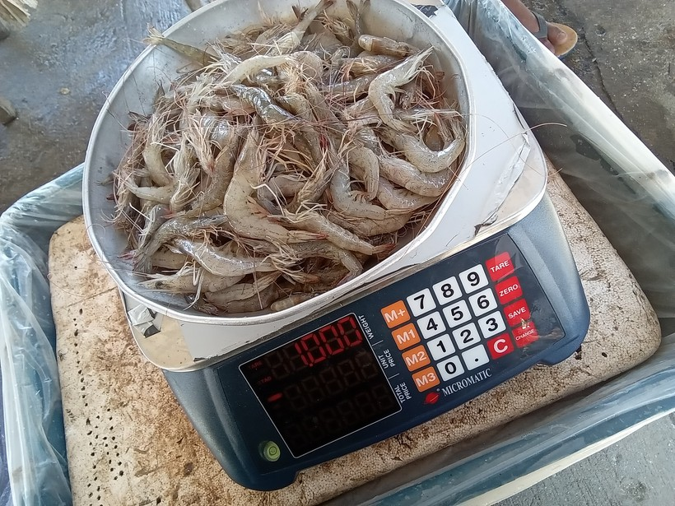 | prawns, lobster, shrimp | 1 | grams (g) | 1000 | 1080 | 1.08 | g | sonnet sweep | block governs | no | 1000 g
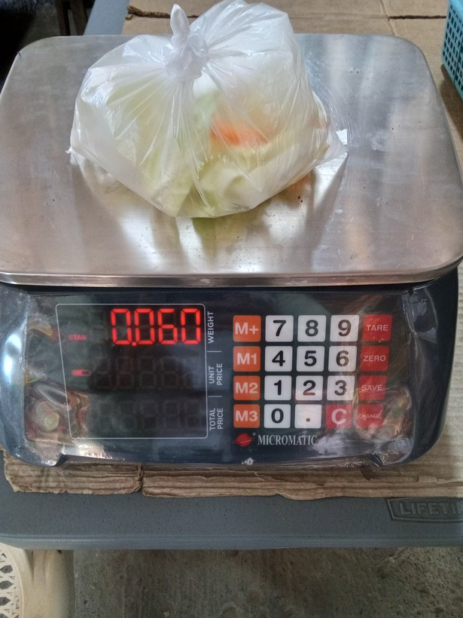
23 | 1773724826947 |  | cabbage | 0.60000002 | grams (g) | 600 | 60 | 10 | g | human | block governs | yes
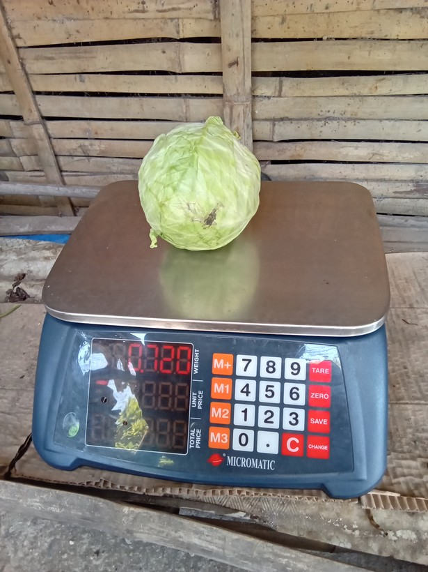
24 | 1776824898275 |  | cabbage | 0.72000003 | grams (g) | 720 | 380 | 1.89 | g | sonnet sweep | log10 median | no | 720 g
25 | 1775612822785 | 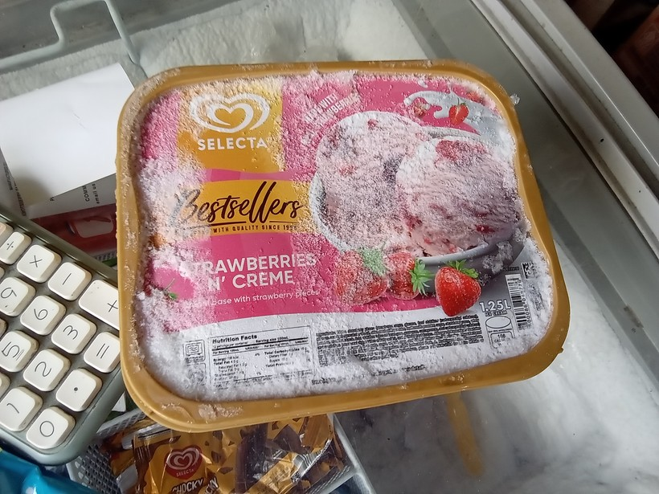 | ice cream, sorbet, edible ice (eg., ice-lolli, halo-halo) | 1.025 | Kilograms (Kgs) | 1025 | 1250 | 1.22 | mL | package label (mL) | block governs | yes
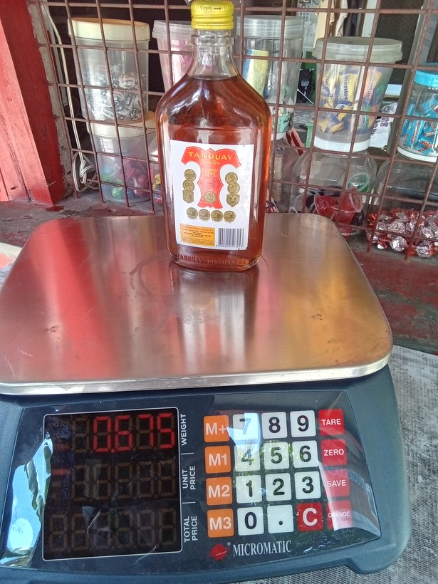
26 | 1773803103151 |  | liquor (e.g, whisky, coconut wine) | 0.67500001 | grams (g) | 675 | 605 | 1.12 | g | sonnet sweep | log10 median | no | 375 mL | always 375 mL to 670 g on the scale (including bottle)
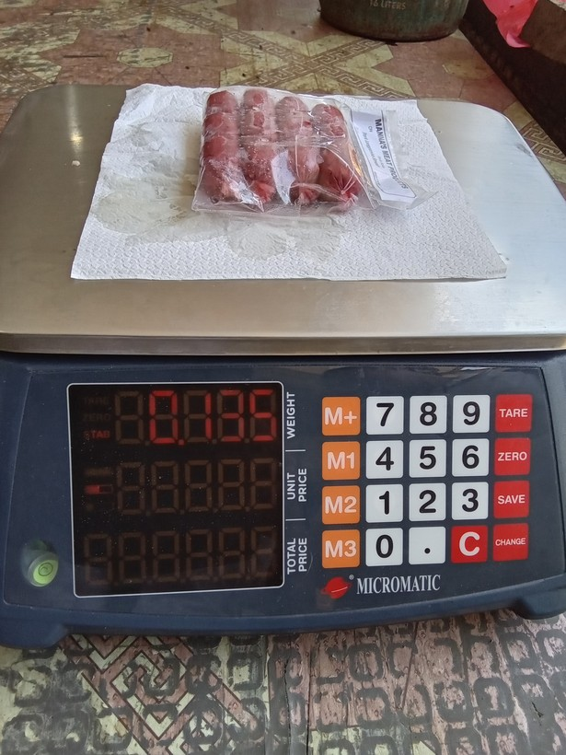
27 | 1775873546893 |  | preserved or processed meat (tocino, tapa, longaniza, etc) | 0.13500001 | grams (g) | 135 | 185 | 1.37 | g | sonnet sweep | log10 median | no | 135 g
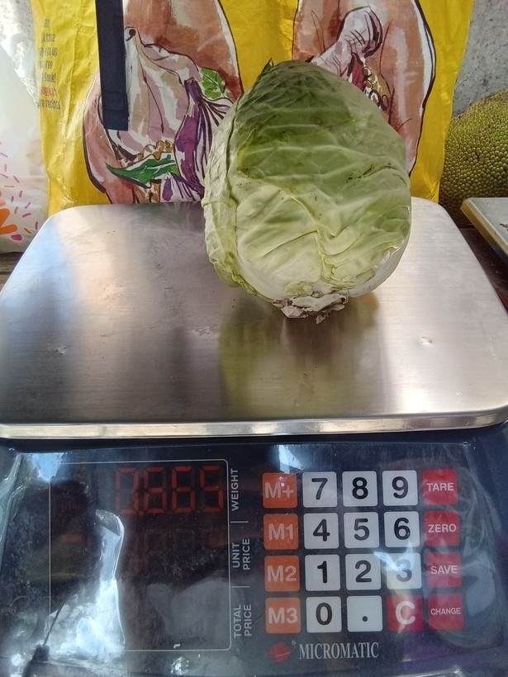
28 | 1773799244319 |  | cabbage | 0.66500002 | grams (g) | 665 | 865 | 1.3 | g | sonnet sweep | log10 median | no | 665 g
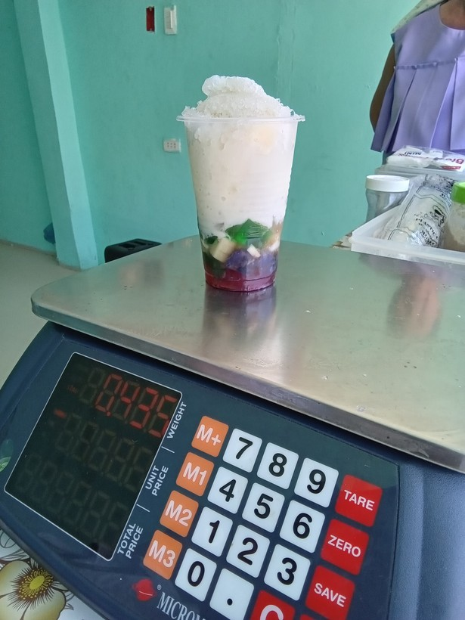
29 | 1775879036042 |  | drinks at restaurant, hotel, cafe, or kiosk | 435 | grams (g) | 435 | 485 | 1.11 | g | sonnet tiled | log10 median | no | 435 g
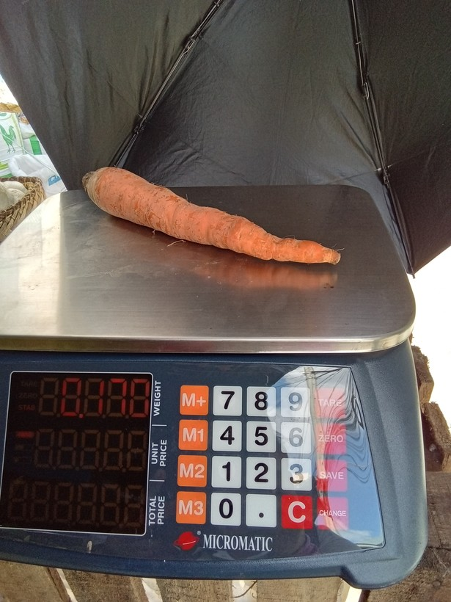
30 | 1773799670502 |  | carrot | 0.17 | grams (g) | 170 | 178 | 1.05 | g | sonnet sweep | log10 median | no | 170 g
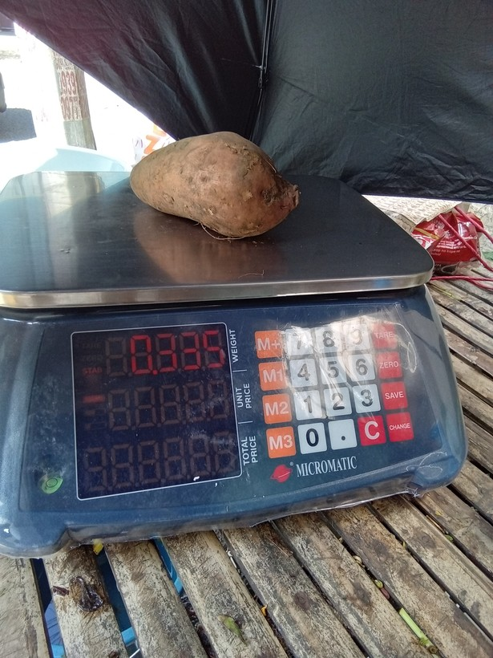
31 | 1773798921921 |  | camote | 0.33500001 | grams (g) | 335 | 385 | 1.15 | g | sonnet sweep | log10 median | no | 335 g
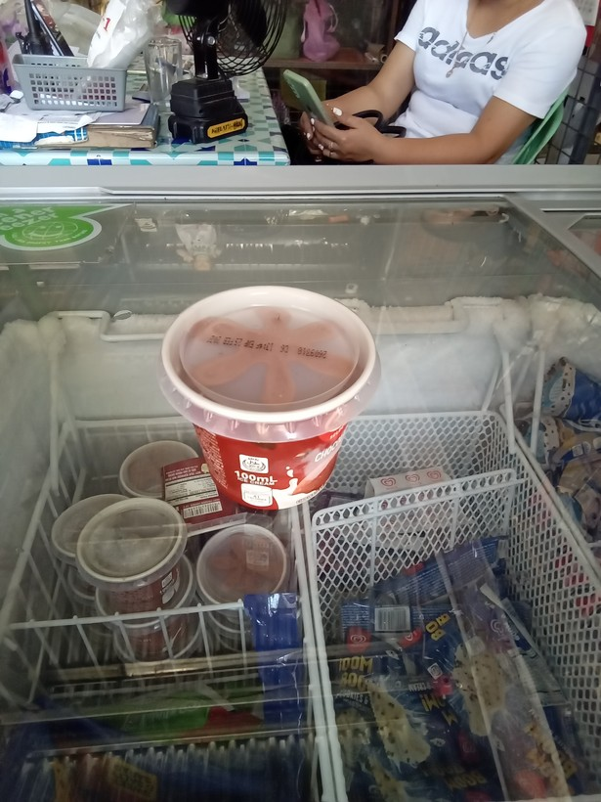
32 | 1774332511873 |  | ice cream, sorbet, edible ice (eg., ice-lolli, halo-halo) | 0.1 | Litres (L) | 100 | 190 | 1.9 | mL | package label (mL) | log10 median | no | 100 mL
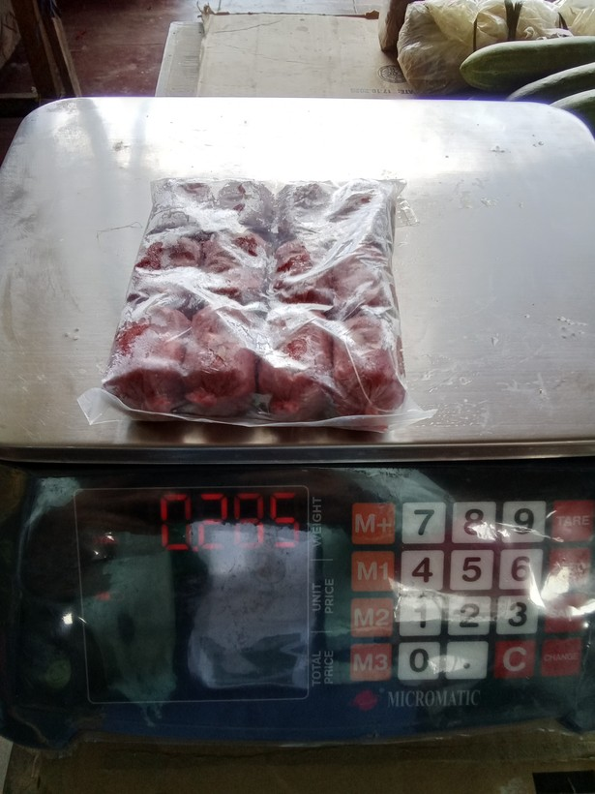
33 | 1774575064281 |  | preserved or processed meat (tocino, tapa, longaniza, etc) | 0.285 | grams (g) | 285 | 295 | 1.04 | g | sonnet sweep | log10 median | no | 285 g
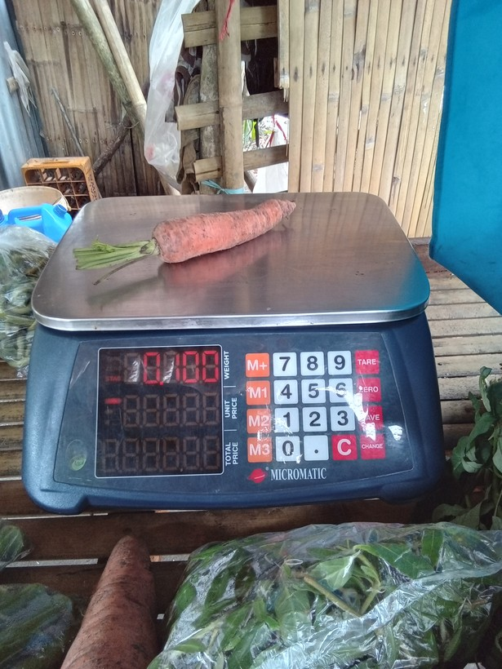
34 | 1778028816971 |  | carrot | 0.1 | grams (g) | 100 | 108 | 1.08 | g | sonnet sweep | log10 median | no | 100 g
35 | 1775870946406 | 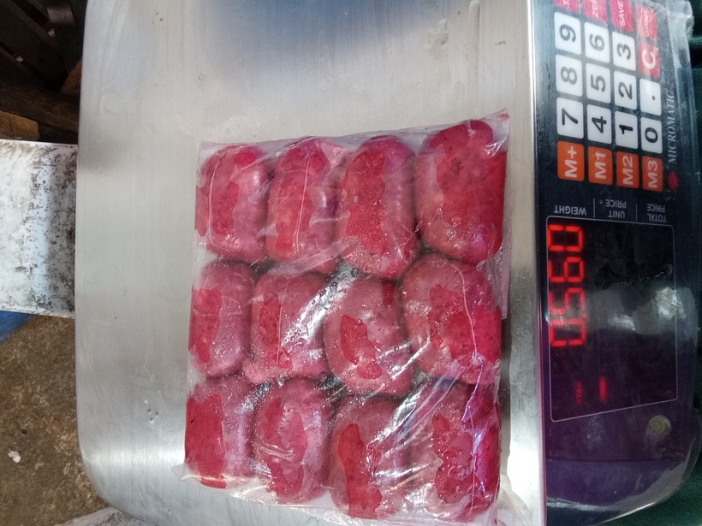 | preserved or processed meat (tocino, tapa, longaniza, etc) | 0.56 | grams (g) | 560 | 950 | 1.7 | g | sonnet sweep | log10 median | no | 560 g
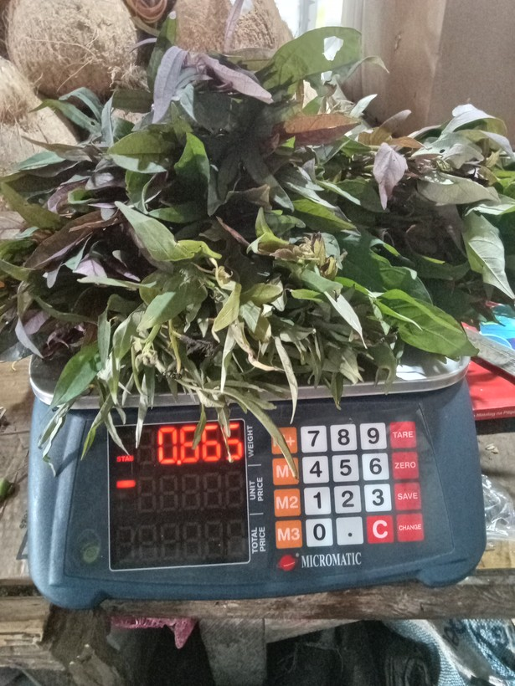
36 | 1777598588927 |  | camote tops | 0.66500002 | grams (g) | 665 | 865 | 1.3 | g | sonnet sweep | log10 median | no | 665 g
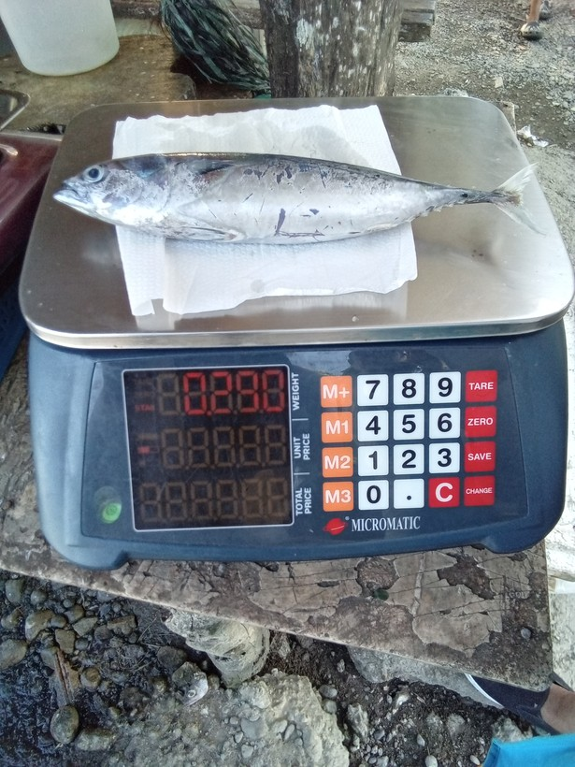
37 | 1777448667164 |  | fresh fish | 0.28999999 | grams (g) | 290 | 280 | 1.04 | g | sonnet sweep | log10 median | no | 290 g
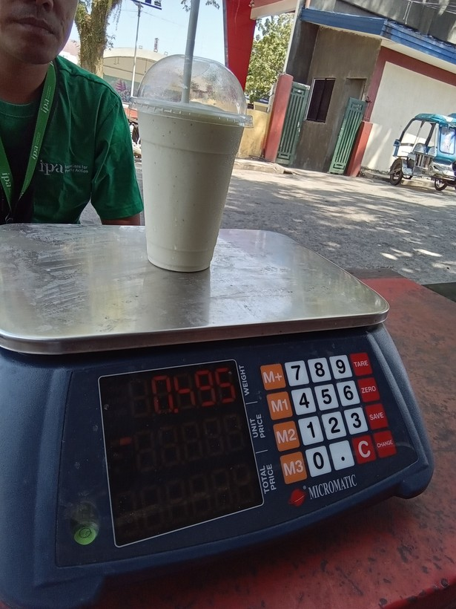
38 | 1776822393755 |  | drinks at restaurant, hotel, cafe, or kiosk | 495 | grams (g) | 495 | 595 | 1.2 | g | sonnet tiled | log10 median | no | 495 g
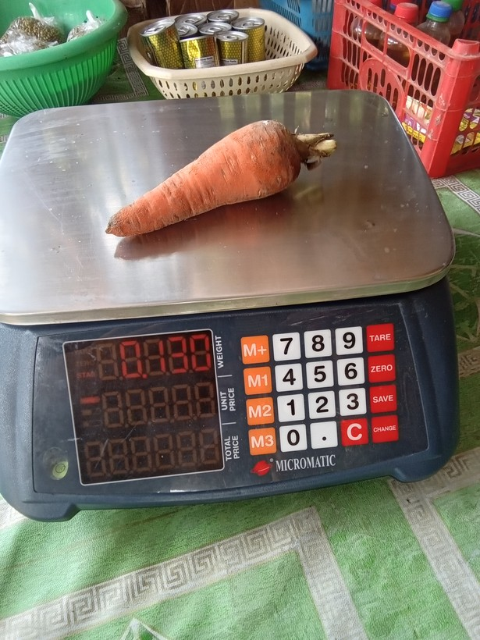
39 | 1776827254483 |  | carrot | 0.13 | grams (g) | 130 | 180 | 1.38 | g | sonnet sweep | log10 median | no | 130 g
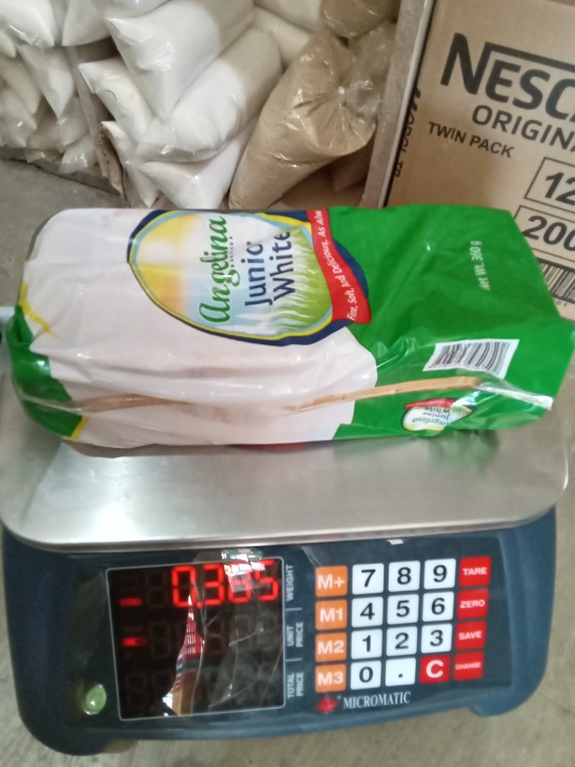
40 | 1773995638751 |  | loaf bread | 0.38499999 | grams (g) | 385 | 305 | 1.26 | g | sonnet sweep | log10 median | no | 360 g
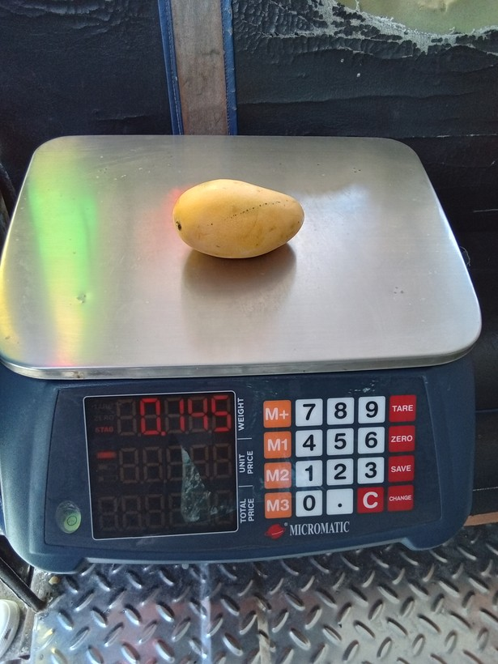
41 | 1778034809067 |  | mango | 0.145 | grams (g) | 145 | 195 | 1.34 | g | rescue read | log10 median | no | 145 g
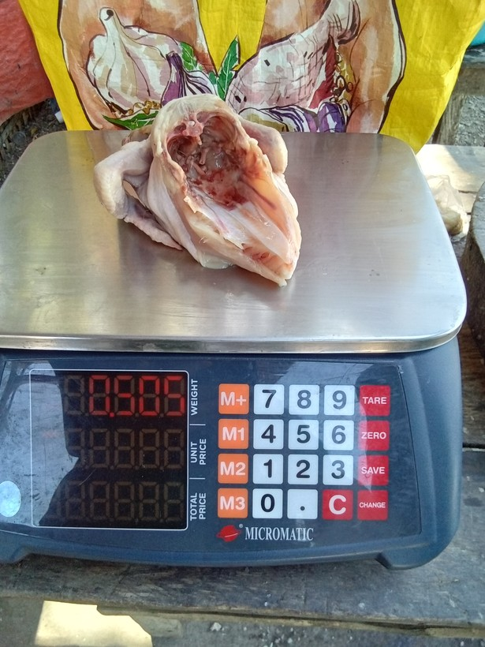
42 | 1777083419074 |  | chicken | 0.505 | grams (g) | 505 | 905 | 1.79 | g | sonnet sweep | log10 median | no | 505 g
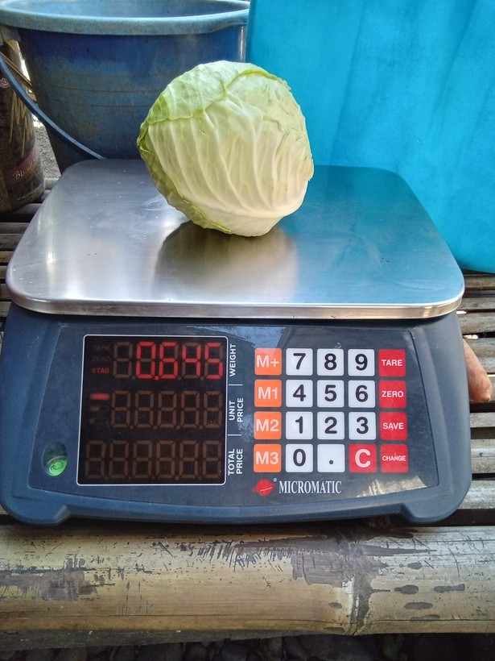
43 | 1777447762886 |  | cabbage | 0.64499998 | grams (g) | 645 | 845 | 1.31 | g | sonnet sweep | log10 median | no | 645 g
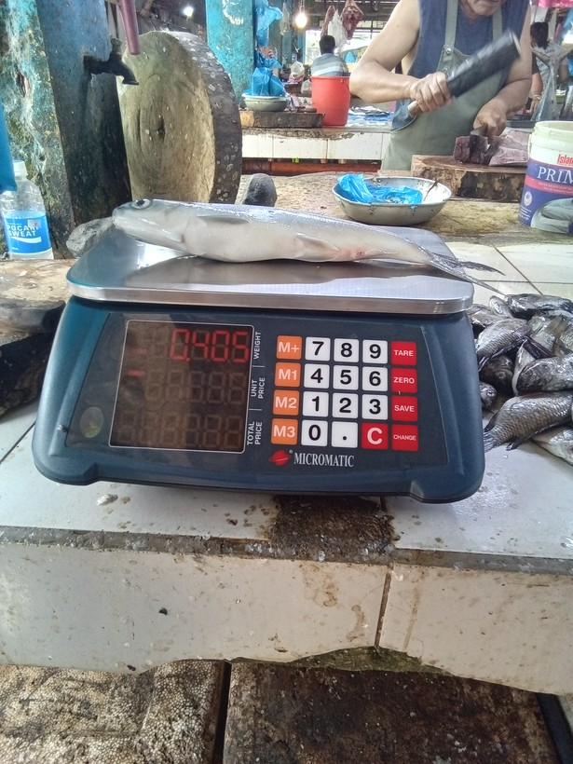
44 | 1777423282182 |  | fresh fish | 0.405 | grams (g) | 405 | 605 | 1.49 | g | sonnet sweep | log10 median | no | 405 g
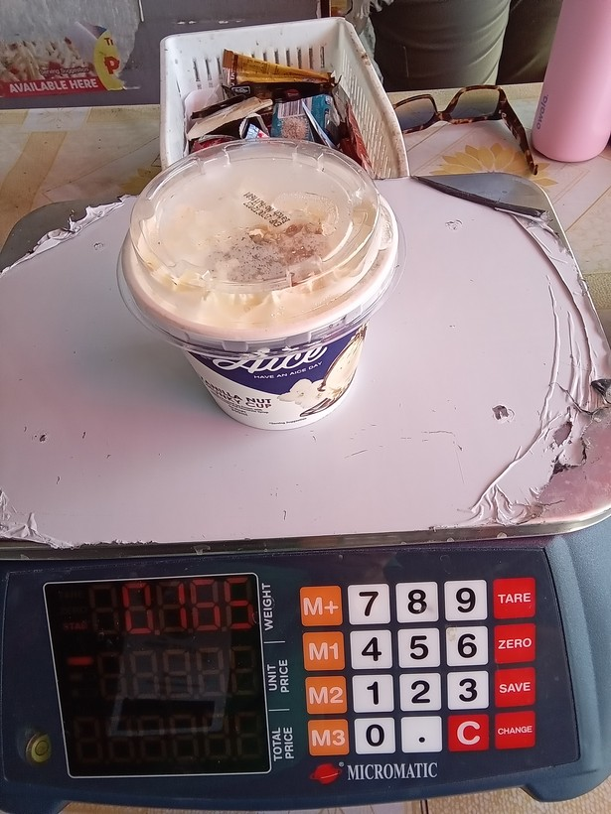
45 | 1773976470427 |  | ice cream, sorbet, edible ice (eg., ice-lolli, halo-halo) | 165 | grams (g) | 165 | 106 | 1.56 | g | sonnet C1 sweep | log10 median | no | 165 g
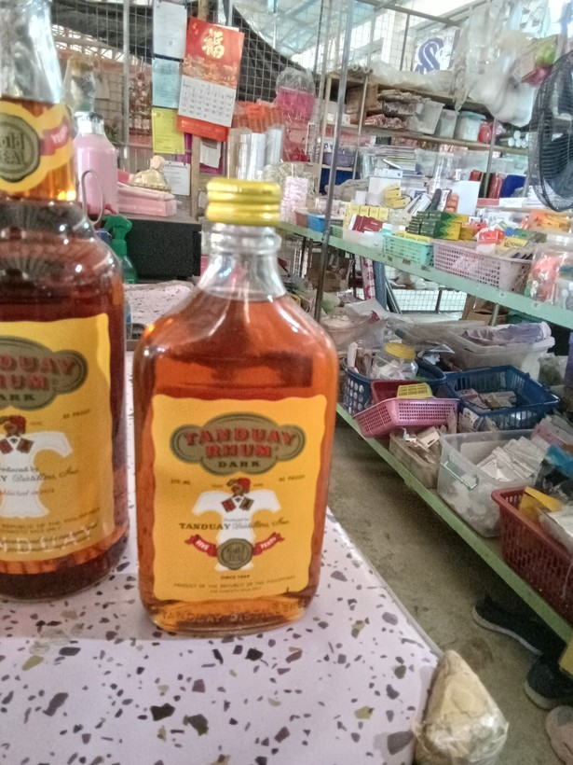
46 | 1774403220438 |  | liquor (e.g, whisky, coconut wine) | 0.375 | Litres (L) | 375 | 450 | 1.2 | g | package label (g) | log10 median | no | 375 mL
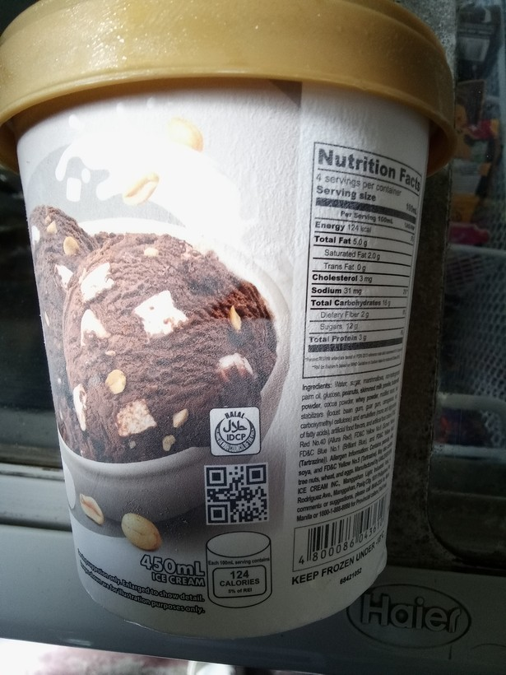
47 | 1774580584508 |  | ice cream, sorbet, edible ice (eg., ice-lolli, halo-halo) | 0.47999999 | Litres (L) | 480 | 450 | 1.07 | mL | package label (mL) | block governs | yes
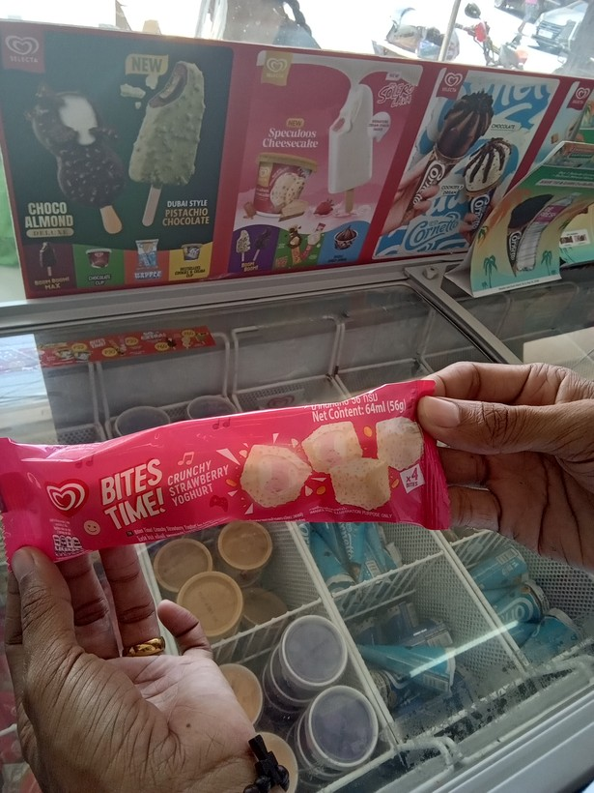
48 | 1777078148145 |  | ice cream, sorbet, edible ice (eg., ice-lolli, halo-halo) | 56 | grams (g) | 56 | 64 | 1.14 | mL | package label (mL) | log10 median | no | 56 g | if both labelled on package, use grams instead of mL
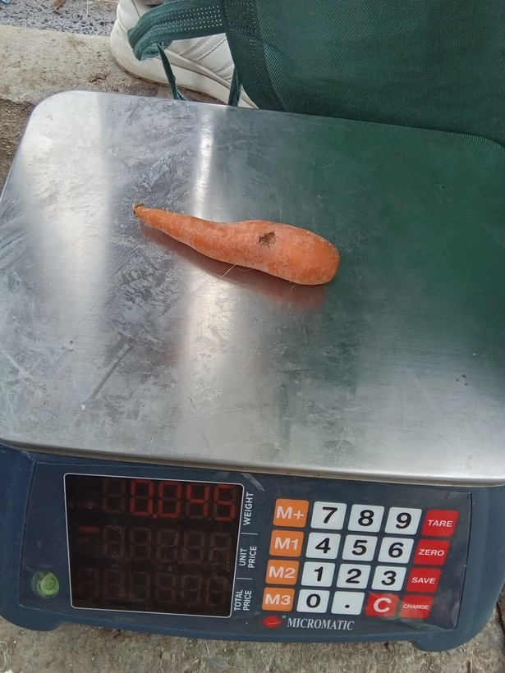
49 | 1775787569138 |  | carrot | 0.44999999 | grams (g) | 450 | 45 | 10 | g | human | block governs | yes
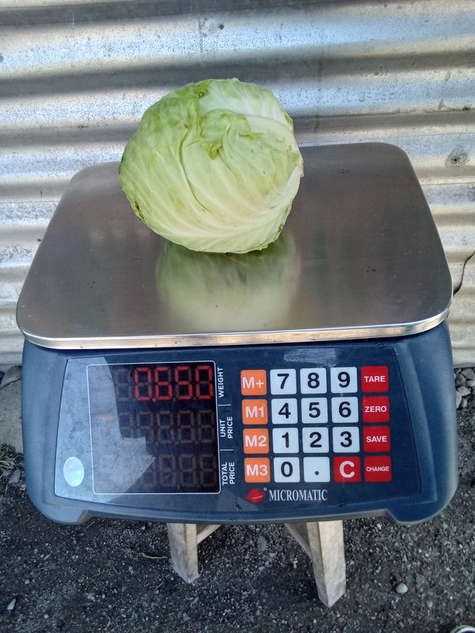
50 | 1777448168057 |  | cabbage | 0.64999998 | grams (g) | 650 | 680 | 1.05 | g | sonnet sweep | log10 median | no | 650 g

51 | 1777867916089 |  | carrot | 0.064999998 | grams (g) | 65 | 85 | 1.31 | g | sonnet sweep | log10 median | no | 65 g

52 | 1776302518046 |  | camote | 0.145 | grams (g) | 145 | 195 | 1.34 | g | sonnet sweep | log10 median | no | 145 g

53 | 1774053469296 |  | carrot | 0.185 | grams (g) | 185 | 195 | 1.05 | g | sonnet sweep | log10 median | no | 185 g

54 | 1776913164415 |  | fresh fish | 1665 | Kilograms (Kgs) | 1665 | 1865 | 1.12 | g | sonnet sweep | log10 median | no | 1665 g

55 | 1773906229982 |  | carrot | 0.16500001 | grams (g) | 165 | 155 | 1.06 | g | sonnet sweep | log10 median | no | 165 g

56 | 1773811478259 |  | liquor (e.g, whisky, coconut wine) | 0.67000002 | Litres (L) | 670 | 375 | 1.79 | mL | sonnet C1 sweep + mL label | log10 median | yes |  | always 375 mL to 670 g on the scale (including bottle)

57 | 1773969942457 |  | ice cream, sorbet, edible ice (eg., ice-lolli, halo-halo) | 0.050000001 | grams (g) | 50 | 58 | 1.16 | g | sonnet sweep | log10 median | no | 50 g | 70 mL on packaging; equivalent of 50 g on scale

58 | 1774061474372 |  | fresh fish | 0.51499999 | grams (g) | 515 | 535 | 1.04 | g | sonnet sweep | log10 median | no | 515 g
59 | 1778477131307 |  | ice cream, sorbet, edible ice (eg., ice-lolli, halo-halo) | 0.085000001 | Litres (L) | 85 | 60 | 1.42 | mL | package label (mL) | log10 median | no | 85 mL

60 | 1774487860616 |  | drinks at restaurant, hotel, cafe, or kiosk | 0.35499999 | Litres (L) | 355 | 185 | 1.92 | mL | package label (mL) | log10 median | no | 355 mL

61 | 1773969164870 |  | crackers, cookies, buiscuits, chips/curls | 0.025 | grams (g) | 25 | 30 | 1.2 | g | human | block governs | no | 25 g | from packaging

62 | 1773797402365 |  | liquor (e.g, whisky, coconut wine) | 675 | grams (g) | 675 | 375 | 1.8 | mL | package label (mL) | log10 median | yes | 375 mL

63 | 1774660621821 |  | preserved or processed meat (tocino, tapa, longaniza, etc) | 250 | grams (g) | 250 | 200 | 1.25 | g | package label (g) | log10 median | no | 250 g

64 | 1776909770980 |  | camote tops | 0.14 | grams (g) | 140 | 180 | 1.29 | g | sonnet sweep | log10 median | no | 140 g

65 | 1774326845021 |  | loaf bread | 0.56 | grams (g) | 560 | 980 | 1.75 | g | sonnet sweep | log10 median | no | 560 g

66 | 1774053528900 |  | camote | 0.23999999 | grams (g) | 240 | 245 | 1.02 | g | sonnet sweep | log10 median | no | 245 g

67 | 1774424700422 |  | mango | 0.2 | grams (g) | 200 | 205 | 1.02 | g | sonnet sweep | log10 median | yes

68 | 1775612169217 |  | preserved or processed meat (tocino, tapa, longaniza, etc) | 1.02 | Kilograms (Kgs) | 1020 | 1200 | 1.18 | g | package label (g) | block governs | yes

69 | 1775791211912 |  | liquor (e.g, whisky, coconut wine) | 0.75 | Litres (L) | 750 | 1000 | 1.33 | mL | package label (mL) | log10 median | no | 750 mL

70 | 1773992274197 |  | loaf bread | 0.41499999 | grams (g) | 415 | 475 | 1.14 | g | sonnet sweep | log10 median | no | 415 g

71 | 1776918401916 |  | fresh fish | 1080 | Kilograms (Kgs) | 1080 | 1000 | 1.08 | g | sonnet sweep | log10 median | no | 1080 g

72 | 1776994655930 |  | carrot | 0.19 | grams (g) | 190 | 180 | 1.06 | g | sonnet sweep | log10 median | no | 190 g

73 | 1774048647575 |  | crackers, cookies, buiscuits, chips/curls | 0.28 | grams (g) | 280 | 228 | 1.23 | g | package label (g) | log10 median | no | 280 g | 280 g for the 10-pack multipack; depending on the NSU

74 | 1776040289161 |  | chicken | 0.95999998 | grams (g) | 960 | 980 | 1.02 | g | sonnet sweep | log10 median | no | 960 g

75 | 1777944747570 |  | chicken | 1235 | Kilograms (Kgs) | 1235 | 1285 | 1.04 | g | sonnet sweep | log10 median | no | 1235 g

76 | 1774580368257 |  | cabbage | 0.38999999 | grams (g) | 390 | 350 | 1.11 | g | sonnet sweep | log10 median | no | 390 g

77 | 1777254711693 |  | cabbage | 1355 | Kilograms (Kgs) | 1355 | 1055 | 1.28 | g | sonnet sweep | log10 median | no | 1355 g

78 | 1773810007262 |  | ice cream, sorbet, edible ice (eg., ice-lolli, halo-halo) | 0.94999999 | grams (g) | 950 | 95 | 10 | g | human | block governs | yes

79 | 1773731054952 |  | drinks at restaurant, hotel, cafe, or kiosk | 700 | grams (g) | 700 | 355 | 1.97 | mL | human (mL rule) + mL label | log10 median | yes

80 | 1774498352696 |  | liquor (e.g, whisky, coconut wine) | 0.75 | Litres (L) | 750 | 500 | 1.5 | g | package label (g) | log10 median | no | 750 mL

81 | 1776827091594 |  | camote | 0.22 | grams (g) | 220 | 280 | 1.27 | g | sonnet sweep | log10 median | no | 220 g

82 | 1773969483700 |  | ice cream, sorbet, edible ice (eg., ice-lolli, halo-halo) | 0.059999999 | grams (g) | 60 | 80 | 1.33 | g | sonnet sweep | log10 median | no | 60 g

83 | 1776824550467 |  | preserved or processed meat (tocino, tapa, longaniza, etc) | 0.22499999 | grams (g) | 225 | 230 | 1.02 | g | package label (g) | log10 median | yes

84 | 1773721579894 |  | ice cream, sorbet, edible ice (eg., ice-lolli, halo-halo) | 50 | grams (g) | 50 | 58 | 1.16 | g | sonnet C1 sweep | log10 median | no | 50 g

85 | 1778206201155 |  | cabbage | 0.33000001 | grams (g) | 330 | 390 | 1.18 | g | sonnet sweep | log10 median | no | 330 g

86 | 1778030672629 |  | carrot | 0.14 | grams (g) | 140 | 190 | 1.36 | g | sonnet sweep | log10 median | no | 140 g

87 | 1774588629488 |  | liquor (e.g, whisky, coconut wine) | 0.25 | Litres (L) | 250 | 375 | 1.5 | mL | package label (mL) | log10 median | no | 250 mL

88 | 1773796774872 |  | crackers, cookies, buiscuits, chips/curls | 0.40000001 | grams (g) | 400 | 40 | 10 | g | human | block governs | yes

89 | 1776825052293 |  | camote tops | 0.22499999 | grams (g) | 225 | 285 | 1.27 | g | sonnet sweep | log10 median | no | 225 g

90 | 1778895486631 |  | preserved or processed meat (tocino, tapa, longaniza, etc) | 0.505 | grams (g) | 505 | 905 | 1.79 | g | sonnet sweep | log10 median | no | 505 g

91 | 1774487845654 |  | drinks at restaurant, hotel, cafe, or kiosk | 0.19 | Litres (L) | 190 | 150 | 1.27 | mL | package label (mL) | log10 median | yes

92 | 1776302543943 |  | camote | 0.32499999 | grams (g) | 325 | 385 | 1.18 | g | sonnet sweep | log10 median | no | 325 g

93 | 1774314777086 |  | liquor (e.g, whisky, coconut wine) | 375 | grams (g) | 375 | 275 | 1.36 | mL | package label (mL) | log10 median | no | 375 mL

94 | 1776652094251 |  | ice cream, sorbet, edible ice (eg., ice-lolli, halo-halo) | 56 | grams (g) | 56 | 64 | 1.14 | mL | package label (mL) | log10 median | no | 56 g | trump gram reading on packaging

95 | 1778204787227 |  | carrot | 0.27500001 | grams (g) | 275 | 215 | 1.28 | g | sonnet sweep | log10 median | no | 275 g

96 | 1778719053327 |  | prawns, lobster, shrimp | 0.50999999 | grams (g) | 510 | 610 | 1.2 | g | sonnet sweep | log10 median | no | 510 g

97 | 1779157255515 |  | loaf bread | 0.41999999 | grams (g) | 420 | 400 | 1.05 | g | sonnet sweep | log10 median | no | 420 g

98 | 1773797422524 |  | liquor (e.g, whisky, coconut wine) | 0.85000002 | grams (g) | 850 | 685 | 1.24 | g | sonnet sweep | log10 median | no | 375 mL | from other bottles

99 | 1774487681368 |  | ice cream, sorbet, edible ice (eg., ice-lolli, halo-halo) | 60 | grams (g) | 60 | 64 | 1.07 | mL | package label (mL) | log10 median | no | 60 g

100 | 1773891283380 |  | loaf bread | 0.38499999 | grams (g) | 385 | 350 | 1.1 | g | package label (g) | log10 median | no | 360 g

101 | 1773799243548 |  | camote | 0.13500001 | grams (g) | 135 | 185 | 1.37 | g | sonnet sweep | log10 median | no | 135 g

102 | 1773796034639 |  | crackers, cookies, buiscuits, chips/curls | 0.035 | grams (g) | 35 | 39 | 1.11 | g | sonnet sweep | log10 median | no | 35 g

103 | 1773997708682 |  | fresh fish | 0.22 | grams (g) | 220 | 280 | 1.27 | g | sonnet sweep | log10 median | no | 220 g

104 | 1773902971896 |  | camote | 0.15000001 | grams (g) | 150 | 180 | 1.2 | g | sonnet sweep | log10 median | no | 150 g

105 | 1777001240809 |  | ice cream, sorbet, edible ice (eg., ice-lolli, halo-halo) | 0.090000004 | grams (g) | 90 | 80 | 1.13 | g | sonnet sweep | log10 median | no | 90 g

106 | 1775874611009 |  | crackers, cookies, buiscuits, chips/curls | 20.5 | grams (g) | 21 | 20.5 | 1.02 | g | package label (g) | log10 median | yes

107 | 1777687812909 |  | ice cream, sorbet, edible ice (eg., ice-lolli, halo-halo) | 63 | grams (g) | 63 | 100 | 1.59 | mL | package label (mL) | log10 median | no | 63 g

108 | 1778811481915 |  | pork | 0.66000003 | grams (g) | 660 | 680 | 1.03 | g | sonnet sweep | block governs | no | 660 g

109 | 1773969444958 |  | ice cream, sorbet, edible ice (eg., ice-lolli, halo-halo) | 0.055 | grams (g) | 55 | 96 | 1.75 | g | sonnet sweep | log10 median | no | 55 g

